Sample Bid Point Calculator
This sample demonstrates how the sponsor should format the non-price criteria on the bid point calculator. The sponsor should not use the exact non-price criteria listed here, but should use specific factors it will use to make its decision for award.
BID POINT CALCULATOR AND EVALUATION CRITERIA MATRIX (to be completed by School Sponsor)
NAME OF SCHOOL SPONSOR
Total Maximum Points is 100. Highest number of points wins the award. |  |  | Company Name
Sample
 |  |  |  |  |  |  |  |  | 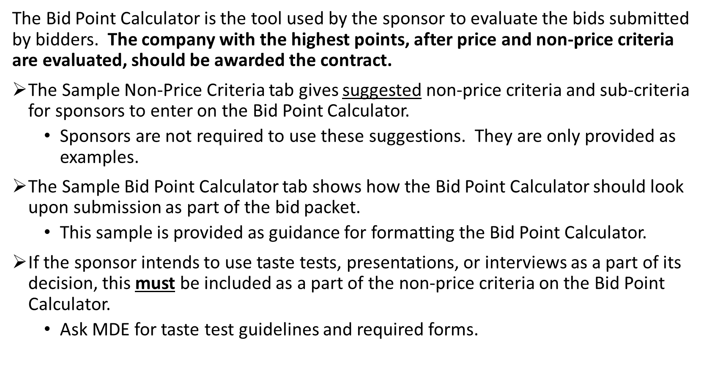
Bid Calculation and Evaluation Criteria |  |  | Enter Bid Price lowest to highest
Enter Bid Price from lowest to highest >>>>>>>>>>>>
Subtract lowest bid from bid above |  |  | 0.00 | 0.00 | 0.00 | 0.00 | 0.00 | 0.00
Divide answer from above by lowest bid |  |  | 0.00 | #DIV/0! | #DIV/0! | #DIV/0! | #DIV/0! | #DIV/0!
Subtract answer above from 1 |  |  | 1.00 | #DIV/0! | #DIV/0! | #DIV/0! | #DIV/0! | #DIV/0!
51 | Multiply answer above by 51 or more |  | 51.00 | #DIV/0! | #DIV/0! | #DIV/0! | #DIV/0! | #DIV/0!
Points Assigned |  | List Non-Price Criteria and Sub-criteria Below (points will total 100 when added to Bid Price Points) | Enter Evaluation Points
4 |  | Proposal Size
 | 4 | FSMC's bid proposal is 200 pages or less
6 |  | Reference Checks |  |  |  |  |  |  |  | Do not copy and paste these sample non-price criteria and sub-criteria items onto your own Bid Point Calculator. These are meant to be shown as examples for formatting only.
 | 3 | Relationship/communication with the school district
 | 3 | Student/staff/parent satisfaction with quality, appearance, and taste of food served
8 |  | District-Specific Requirements
 | 3 | Experience providing catering/vended meal services outside the district
 | 3 | Experience in kitchen/food service layout and design for new construction projects
Sample
 | 2 | Experience working with Farm to School programming, including Farm to School grants, education, and local purchasing
6 |  | Plan to Increase Participation
 | 2 | Description of methods to obtain and plans to use student/staff/parent feedback/preferences
 | 2 | Innovative ways of providing quick and efficient service
 | 2 | Innovative ways of promoting breakfast and lunch programs
4 |  | Plan for Marketing and Merchandising
 | 2 | Recognition of holidays and special events
 | 2 | Use of promotions/promotional events (posters, theme days, student taste testing)
7 |  | Operation Recommendations
 | 3 | Equipment recommendations and provisions (new equipment, use of current equipment, etc.)
 | 4 | Facility layout/design recommendations in relation to proposed menu and population being served
4 |  | Nutrition Education
 | 2 | Samples/examples of materials used to promote healthy messages/making healthy choices
 | 2 | Alternate menu choices/offerings (i.e., low fat, low sodium)
4 |  | Employee Training and Development
 | 2 | Food safety and sanitation training
 | 2 | Work safety (lifting, bending, cutting, slicing, etc.)
6 |  | Support by FSMC Area Manager
 | 2 | Frequency of area manager presence at the district (at least once per week)
 | 2 | Ease and ability to travel to district upon request (lives within 50 miles of district)
 | 2 | Knowledge and ability to work with union employees
100 |  | TOTAL | 51.00 | #DIV/0! | #DIV/0! | #DIV/0! | #DIV/0! | #DIV/0!

4-Bid Point Calculator
NON-PRICE CRITERIA ITEMS MUST BE COMPLETED BY SPONSOR
BEFORE SUBMISSION TO MDE
Enter Name of School Sponsor at the top.
Enter non-price criteria, sub-criteria and point values in the same format as found on the Sample Bid Point Calculator in columns A and B. Non-price criteria items should total 49 points.
BID POINT CALCULATOR AND EVALUATION CRITERIA MATRIX (to be completed by School Sponsor)
NAME OF SCHOOL SPONSOR
Total Maximum Points is 100. Highest number of points wins the award. |  |  | Company Name

Blue shaded sections are filled out AFTER bids are received.
Bid Calculation and Evaluation Criteria |  |  | Enter Bid Price lowest to highest
Enter Bid Price from lowest to highest >>>>>>>>>>>
Subtract lowest bid from bid above |  |  | 0.00 | 0.00 | 0.00 | 0.00 | 0.00 | 0.00
Divide answer from above by lowest bid |  |  | 0.00 | #DIV/0! | #DIV/0! | #DIV/0! | #DIV/0! | #DIV/0!
Subtract answer above from 1 |  |  | 1.00 | #DIV/0! | #DIV/0! | #DIV/0! | #DIV/0! | #DIV/0!
51 | Multiply answer above by 51 or more |  | 51.00 | #DIV/0! | #DIV/0! | #DIV/0! | #DIV/0! | #DIV/0! | Example for Formatting
Points Assigned |  | List Non-Price Criteria and Sub-criteria Below (points will total 100 when added to Bid Price Points) | Enter Evaluation Points |  |  |  |  |  | Points Assigned |  | List Non-Price Criteria and Sub-criteria Below (points will total 100 when added to Bid Price Points)
 |  |  |  |  |  |  |  |  | 6 |  | Reference Checks
 |  |  |  |  |  |  |  |  |  | 3 | Relationship/communication with the school district
 |  |  |  |  |  |  |  |  |  | 3 | Student/staff/parent satisfaction with quality, appearance, and taste of food served
 |  |  |  |  |  |  |  |  | 8 |  | District-Specific Requirements
 |  |  |  |  |  |  |  |  |  | 3 | Experience providing catering/vended meal services outside the district
 |  |  |  |  |  |  |  |  |  | 3 | Experience in kitchen/food service layout and design for new construction projects
 |  |  |  |  |  |  |  |  |  | 2 | Experience working with Farm to School programming

51 |  | TOTAL | 51.00 | #DIV/0! | #DIV/0! | #DIV/0! | #DIV/0! | #DIV/0!

8-USDA Foods
USDA FOODS INFORMATION (to be completed by School Sponsor)
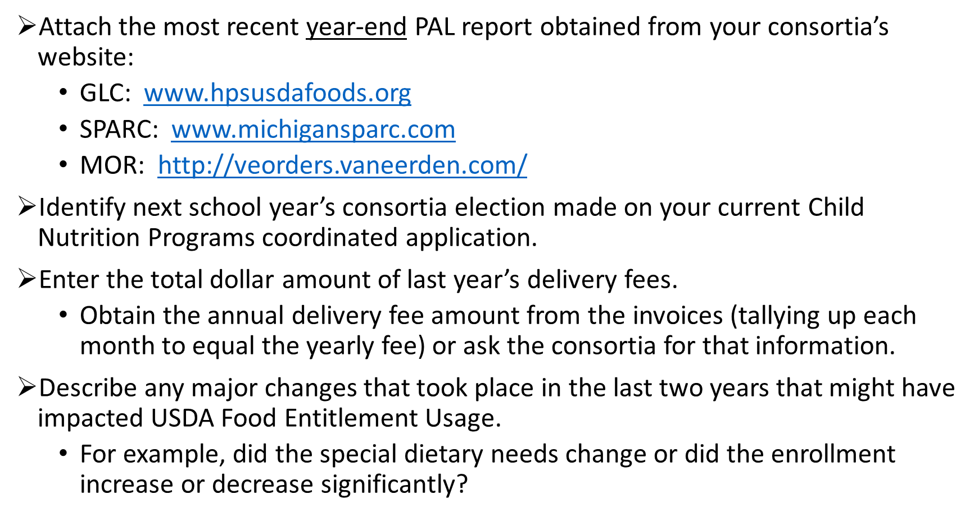
School Sponsor will include the most recent Year-End PAL Report in the bid packet.

Next School Year's Consortia Election:
Last School Year's Total Delivery Fee Amount:
Describe any major changes that took place in the district in the last two years that might have impacted USDA Food Entitlement Usage. For example, did the district's special dietary needs change or enrollment increase/decrease significantly?

11-Projected Costs
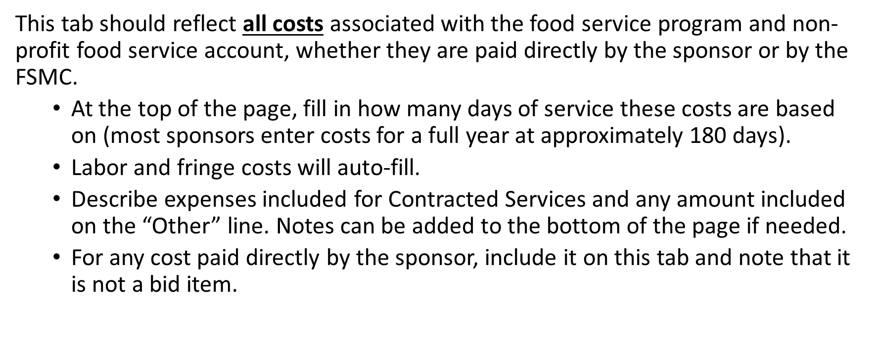
PROJECTED COSTS FOR SY 2026-2027 (to be completed by School Sponsor)
Projected costs are based on ____ days of service in SY 2025-2026.
FOOD SERVICE ACCOUNT EXPENSES | TOTAL PROJECTED ANNUAL COST (for SY 26-27) | Not a Bid Item (X)
 | Cells will auto-fill
SFA Employees Labor Cost | $0.00
SFA Employees Fringe Benefit Cost | $0.00
FSMC Hourly Employees Labor Cost | $0.00
FSMC Hourly Employees Fringe Benefit Cost | $0.00
FSMC On-Site Management Employees Labor Cost | $0.00
FSMC On-Site Management Employees Fringe Benefit Cost | $0.00
Food Cost for SNP, CACFP, and SFSP Meals (including commodities delivery charge)
Non-Food Cost for SNP, CACFP, and SFSP (supplies and other materials)
Food Cost for FFVP
Non-Food Cost for FFVP (supplies and other materials)
Contracted Services (not including FSMC administrative and management fees) (insert detail, such as pest control, lunchroom monitors, equipment repairs and maintenance, etc.)
Transportation/Vehicle Costs (fuel, maintenance, repairs)
Utilities (assigned to Food Service Fund)
Indirect Costs (assigned to Food Service Fund)
Other Expenses (insert detail)

Total Projected Expenses for SY 2026-2027 | $0.00

15-Bid Sheet without adv pmt
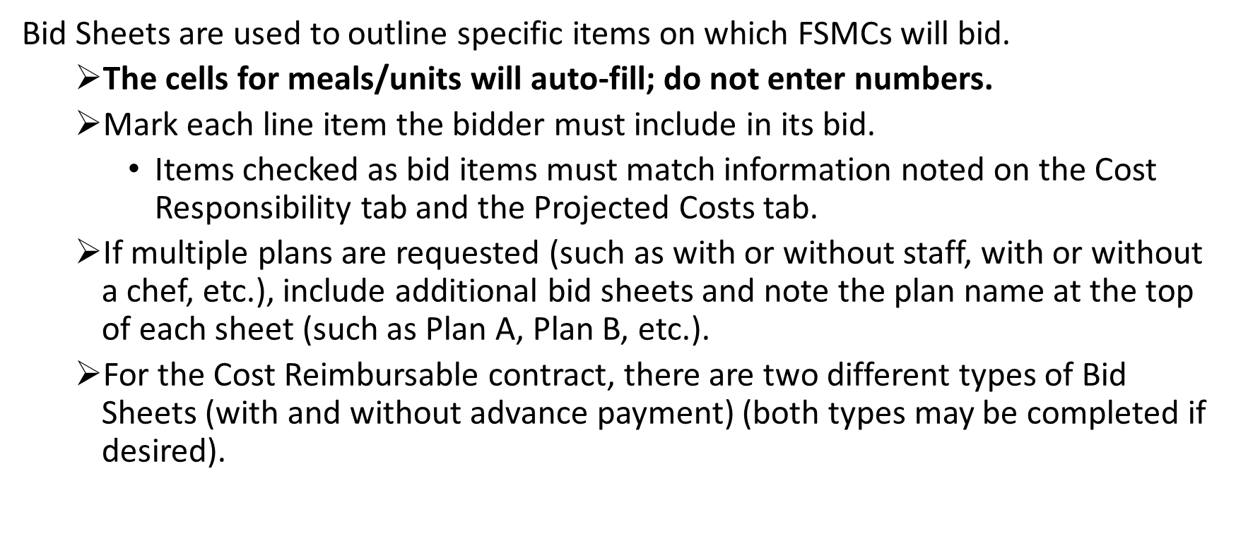
BID SHEET FSMC Cost Reimbursable Contract WITHOUT ADVANCE PAYMENT

This bid is being offered by:
 | Name of Food Service Management Company
This bid is being offered to:
 | Name of School Sponsor
Projected Meals/Meal Equivalents Per Year: |  | 0 | (do not alter, cell will auto-fill upon MDE review)

Sponsor is contracting for the expenses indicated as Bid Items below |  |  | Bid Items (Sponsor completes) | Projected Operating Cost WITHOUT Advance Payment (Bidder completes)
Labor - On-Site FSMC Management Employees
Fringe Benefits - On-Site FSMC Management Employees
Labor - FSMC Hourly Employees
Fringe Benefits - FSMC Hourly Employees
Food Cost for SNP, CACFP, and SFSP Meals (including commodities delivery charge) (net of VDA/rebates)
Non-Food Cost for SNP, CACFP, and SFSP (supplies and other materials) |  |  |  |  |  | Bidder will use the correct column to indicate if fees will be billed over a 10-month period, 12-month period, or by cost per meal/meal equivalent. Do not indicate costs in all 3 columns for each fee.
Food Cost for FFVP (as defined in RFP)
Non-Food Cost for FFVP (supplies and other materials) (as defined in RFP)
Contracted Services (not utilities or FSMC administrative costs) |  |  |  |  |  | School Year 2026-2027 Rates [will match the current rates on the SY 27-28 Renewal Rate Agreement Form (if renewed)]
Transportation/Vehicle Cost
Utilities (assigned to Food Service Fund) |  |  |  |  |  | COST PER MONTH |  |  | or | COST PER MEAL / MEAL EQUIVALENT
Other (as defined on Projected Costs tab) |  |  |  |  |  | Monthly Fee (10 months) | or | Monthly Fee (12 months)
FSMC Administrative Fee |  |  | X |  | FSMC Administrative Fee |  | or |  | or
FSMC Management Fee |  |  | X |  | FSMC Management Fee |  | or |  | or
Subtotal (Bid Items Only) |  |  |  | $0.00
Bid Price Per Meal (subtotal divided by projected meals/meal equivalents) |  |  |  | #DIV/0!
Additional Food Service Markup if applicable (refer to RFP)
TOTAL PROJECTED OPERATING COST |  |  |  | $0.00
By submission of this bid, the bidder certifies that, in the event the bidder receives an award under this solicitation, the bidder shall operate in accordance with all applicable program laws and regulations. This contract shall be in effect for one year and may be renewed by mutual agreement for four additional one-year periods.

FSMC Representative Signature |  |  |  | Date

NOTE: The Food Service Management Company must use this bid sheet when submitting its bid.

